Binary
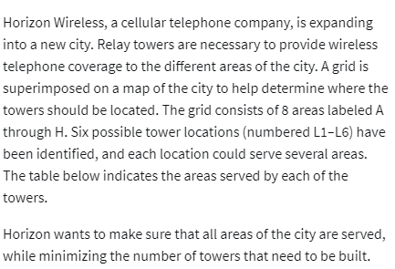
 | L1 | L2 | L3 | L4 | L5 | L6
Variables: | 1 | 0 | 1 | 0 | 1 | 0

Objective (Min)
No of towers to build | 3

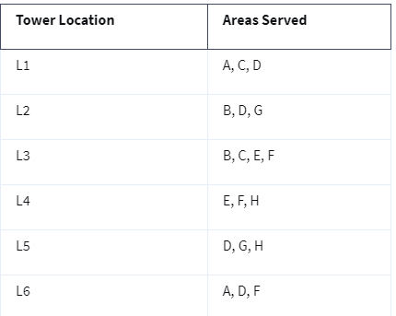
Constraints: |  |  |  |  |  |  | LHS | SIGN | RHS
A | 1 |  |  |  |  | 1 | 1 | >= | 1
B |  | 1 | 1 |  |  |  | 1 | >= | 1
C | 1 | 1 | 1 |  |  |  | 2 | >= | 1
D | 1 |  |  |  | 1 | 1 | 2 | >= | 1
E |  |  | 1 | 1 |  |  | 1 | >= | 1
F |  |  | 1 | 1 |  | 1 | 1 | >= | 1
G |  | 1 |  |  | 1 |  | 1 | >= | 1
H |  |  |  | 1 | 1 |  | 1 | >= | 1
all areas to be covered

